Sheet1

◆ To charge the battery |  | ◆ Warnings
1. To charge the battery, use the USB-C PD charger included with your light. 2. When the battery begins to charge the indicator light on the battery will be RED. 3. When the battery is fully charged the indicator light on the battery will change to BLUE. |  | 1.Only use Li-ion battery pack provided by the manufacturer.
 |  | 2.Do not open the tail cap when the video light is in the water.
 |  | 3.If the video light will not be used for a long period of time, the battery should be removed.

 |  | Failure to comply with these warnings may result in damage
 |  | to the video light and nullify the warranty.

◆ Battery level indicator |  | ◆ Warranty
There are four colors to indicate the amount of power |  | Kraken provides a warranty against manufacturer defects for 1 year starting from the date of purchase. Manufacturer defects occurring within 15 days of the date of purchase will result in an exchange of product at the vendor. All other manufacturer defects occurring within 1 year of the date of purchase will be repaired at no cost. Proof of purchase is required for warranty support. The warranty does not cover failures or defects resulting from misuse (e.g., modification, damage) natural disasters, or battery issues，including incorrect battery installation.
remaining in the battery and the function modes. |  |  |  | Hydra 10000 WRGBU
Blue | approx. 100%~85%
Green | approx. 85%~60%
Red | approx. 60%~10% |  |  | Diving Video Light
Single Blinking Red | approx. 10%~0%
Dual Blinking | The current mode is Burst Mode
◆ Low battery warning
When the battery level is low (approximately 10 minutes |  | ◆ Troubleshooting light issues
remaining) the video light will automatically decrease the
brightness of the light to conserve power. When the battery is |  | Before returning the light to the vendor, please troubleshoot
empty, the light will power off. |  | by doing the following:
◆ Thermal protection |  | Problem | Possible Solution
If the internal temperature of video light becomes too high the |  | The video light does not turn on | * Ensure the battery is charged * Ensure the tail cap is tightly screwed to the light head
video light will automatically decrease the brightness of the light.
◆ General maintenance
There are two O-rings in the tail cap. Use silicone to keep the |  | Moisture or water inside video light | Check the O-rings in the tail cap to ensure there is no debris or damage that could prevent a proper seal
O-rings well lubricated. It is important to lubricate the O-rings if the
video light has not been used for a period of time, or if the O-ring
is hard. Only use enough lubrication to make the O-ring shine, too
much can attract dirt. If the O-ring is damaged, broken, or
deformed it should be replaced with the spare included with your
video light.
NOTE: Do not use a sharp tool to remove the O-ring.

 |  |  |  | Please read the manually carefully before using the video light

◆ Overview |  | ◆ Specifications |  | Adjusting the brightness in White / Red / Green / Blue / UV mode Rotate the Rotary Knob clockwise/counterclockwise to adjust the brightness.
The Hydra 10000 WRGBU is a metal bodied diving video light |  | Battery | 3 x 21700 Li-ion battery pack (5000mAh) with Type-C USB Charging Port
with COB LED (10000 lumens constant/12000 lumens burst) .
ON/OFF Button
 |  | Brightness | White Light: 10000 lumens@CRI 90 constant / 12000 lumens burst

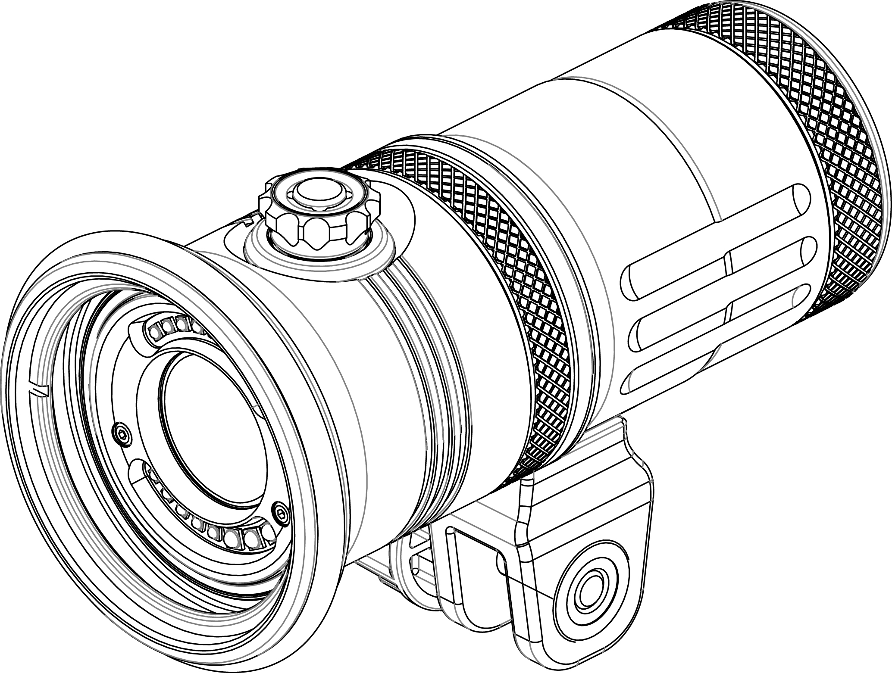
Tail Cap
 |  | Function Modes | White / Red / Green / Blue / UV / Manual RGB / Automatic RGB / Burst / SOS | Adjusting the color in Manual RGB mode: While in Manual RGB mode, rotate the Rotary Knob to cycle through the different colours.
Rotary Knob
Battery Level Indicator
 |  | White / Red / Green / Blue / UV Light Power Level | 11 Levels: 0%,10%,20%,30%,40%,50%,60%,70%,80%,90%,100%

 |  | Beam Angle | White light: 120 degrees on land / 120 degrees underwater | In Automatic RGB mode: While in Automatic RGB mode, rotate the Rotary Knob to adjustable the cycle time: Five Levels: One second→ Five seconds

Light Head
YS Adapter
 |  | Burn time | 60 minutes (at 80% brightness)
 |  |  | 35 minutes (at 100% brightness)
 |  | LED Life | Over 50,000 hours
 |  | Depth Rating | 100m / 330ft | To turn on SOS/Strobe:
 |  | Size | 72.5 mm (D) * 165 mm (L) | When the light is OFF: Press and hold the ON/OFF button for TWO seconds to enter SOS mode. While in SOS mode, press and immediately release ON/OFF button to switch to strobe mode. Rotate the Rotary Knobl to adjust the flicker frequency of strobe.
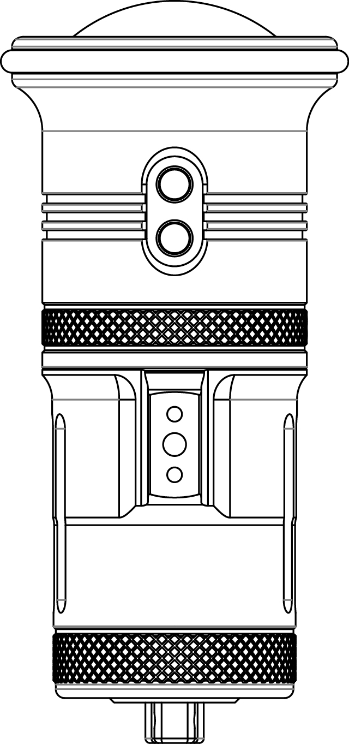
 |  | Weight | 740g on land including battery 350g underwater including battery

Burst Port
Remote Port
 |  | ◆ To operate the light
 |  | Turning the light ON: Press the ON/OFF button and hold down for ONE second.
 |  |  |  | To turn off SOS/Strobe:
 |  |  |  | Press ON/OFF button and hold down for TWO second.
 |  | Turning the light OFF: Press the ON/OFF button and hold down for TWO seconds.

 |  |  |  | ◆ To install the battery
 |  | To switch modes (White / Red / Green / Blue / UV /Manual RGB/Automatic RGB) |  | 1. Twist the tail cap counter-clockwise to open.
 |  |  |  | 2. Put the battery pack in the tail cap.
 |  | While the light is on, press and immediately release the ON/OFF button. The light will switch from White light → Red→ Green → Blue → UV → Manual RGB → Automatic RGB→ White |  | Note：When inserting battery, contact rings on battery must be facing light head.

 |  |  |  | 3.Twist the tail cap clockwise to reattach the tail to the head of the video light.
◆ Accessories included
Li-ion battery pack with protection cap Charger/AC adapter USB type C cable YS mount Ball Mount Spare O-ring x2
 |  | Burst modes (White / Red / Green / Blue / UV ) When the light is on, press and hold the ON/OFF button for one second to enter burst mode at the same colour. Press and hold the ON/OFF button once again to exit burst mode and return to continuous lighting.

