Sheet1

◆ To charge the battery |  |  | ◆ Warnings
1. To charge the battery, use the USB-C PD charger included. 2.When the battery begins to charge the indicator on the battery will be RED. 3.When the battery is fully charged the indicator on the battery will be BLUE. |  |  | 1.Only use Li-ion battery pack provided by the manufacturer. 2.Do not open the battery pack when the strobe is in the water. 3.If the strobe will not be used for a long period of time, the battery pack should be removed. Failure to comply with these warnings may result in damage to the strobe and nullify the warranty.

◆ To install the battery
1.Push out the red safety lock,at the same time rorate the battery knob as counter-clockwise,then take the battery pack out. |  |  | ◆ Warranty |  | KR-S160
 |  |  | Kraken provides a warranty against manufacturer defects for 1 year starting from the date of purchase. Manufacturer defects occurring within 15 days of the date of purchase will result in an exchange of product at the vendor. All other manufacturer defects occurring within 1 year of the date of purchase will be repaired at no cost. Proof of purchase is required for warranty support. The warranty does not cover failures or defects resulting from misuse (e.g., modification, damage) natural disasters, or battery issues，including incorrect battery installation.
 |  |  |  |  | Powerful Underwater Strobe

2.Put the battery pack as below shown (Correct direction) to the body,press the battery,at the same time rorate the battery knob as clockwise.
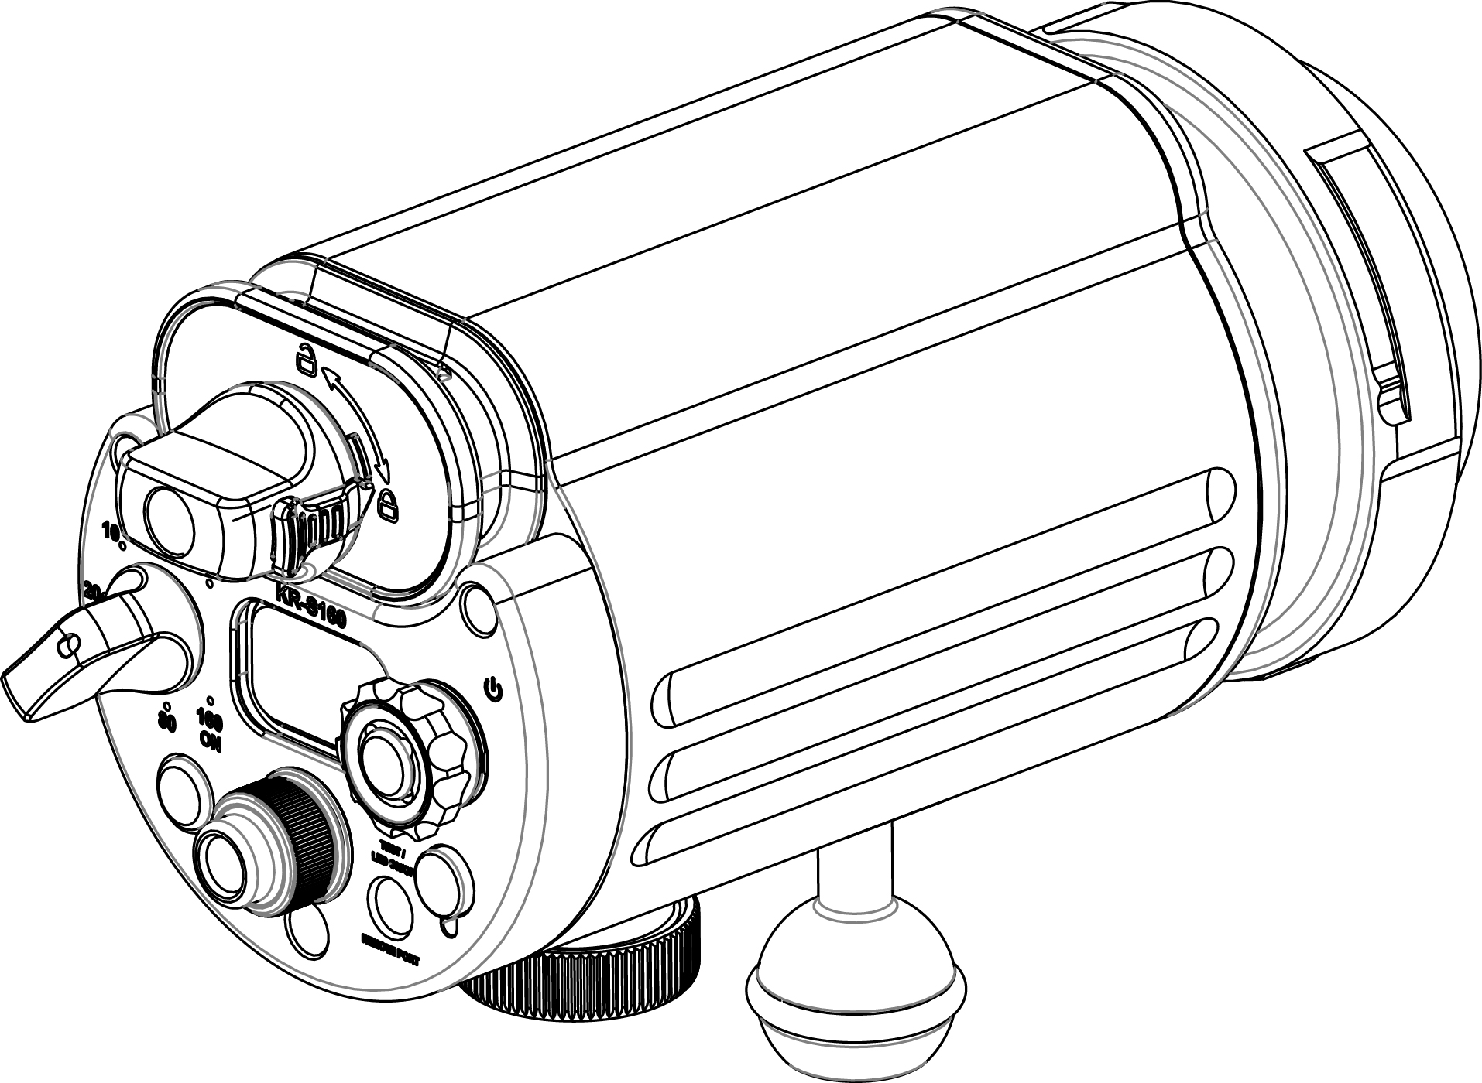
Noted:Make sure that the safety lock has returned to the locked position.(It is securely locked when you hear a "click")
Battery Knob
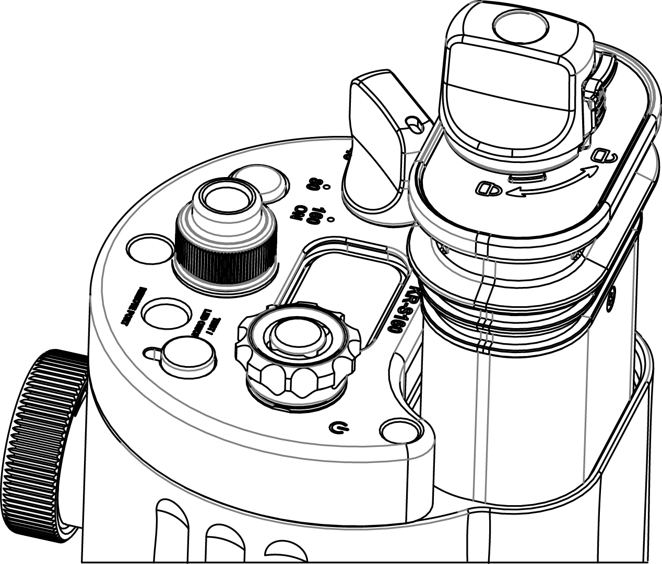
Safety Lock
 |  |  | ◆ Trouble shooting strobe issues Before returning the strobe to the vendor, please troubleshoot by doing the following:

 |  |  | Problem | Possible Solution
 |  |  | The strobe does not turn on | * Ensure the battery pack is charged * Ensure the battery pack is tightly screwed to the light head

◆ General maintenance |  |  | Moisture or water inside the strobe | Check the O-rings in the battery pack to ensure there is no debris or damage that could prevent a proper seal
There are two O-rings in the battery pack. Use silicone to keep the O-rings well lubricated. It is important to lubricate the O-rings if the strobe has not been used for a period of time, or if the O-ring is hard. Only use enough lubrication to make the O-ring shine, too much can attract dirt. If the O-ring is damaged, broken, or deformed it should be replaced with the spare included with your strobe.

NOTE: Do not use a sharp tool to remove the O-ring. |  |  |  |  | Please read the manually carefully before using the strobe
◆ Overview |  |  | ◆ Specifications |  | 7 Levels | Fine Tuning
The KR-S160 is a metal bodied diving strobe with Spot LED (500 Lumens ). |  |  | Battery | 2 x 21700 Li-ion battery pack |  | 19 | 9 | 5 | 3
 |  |  | Power | 160Ws | 160Ws | (0,-1,-2,-3,-4,-5,-6,-7,-8,-9) | (0,-1,-2,-3,-4) | (0,-1,-2) | (0,-1)
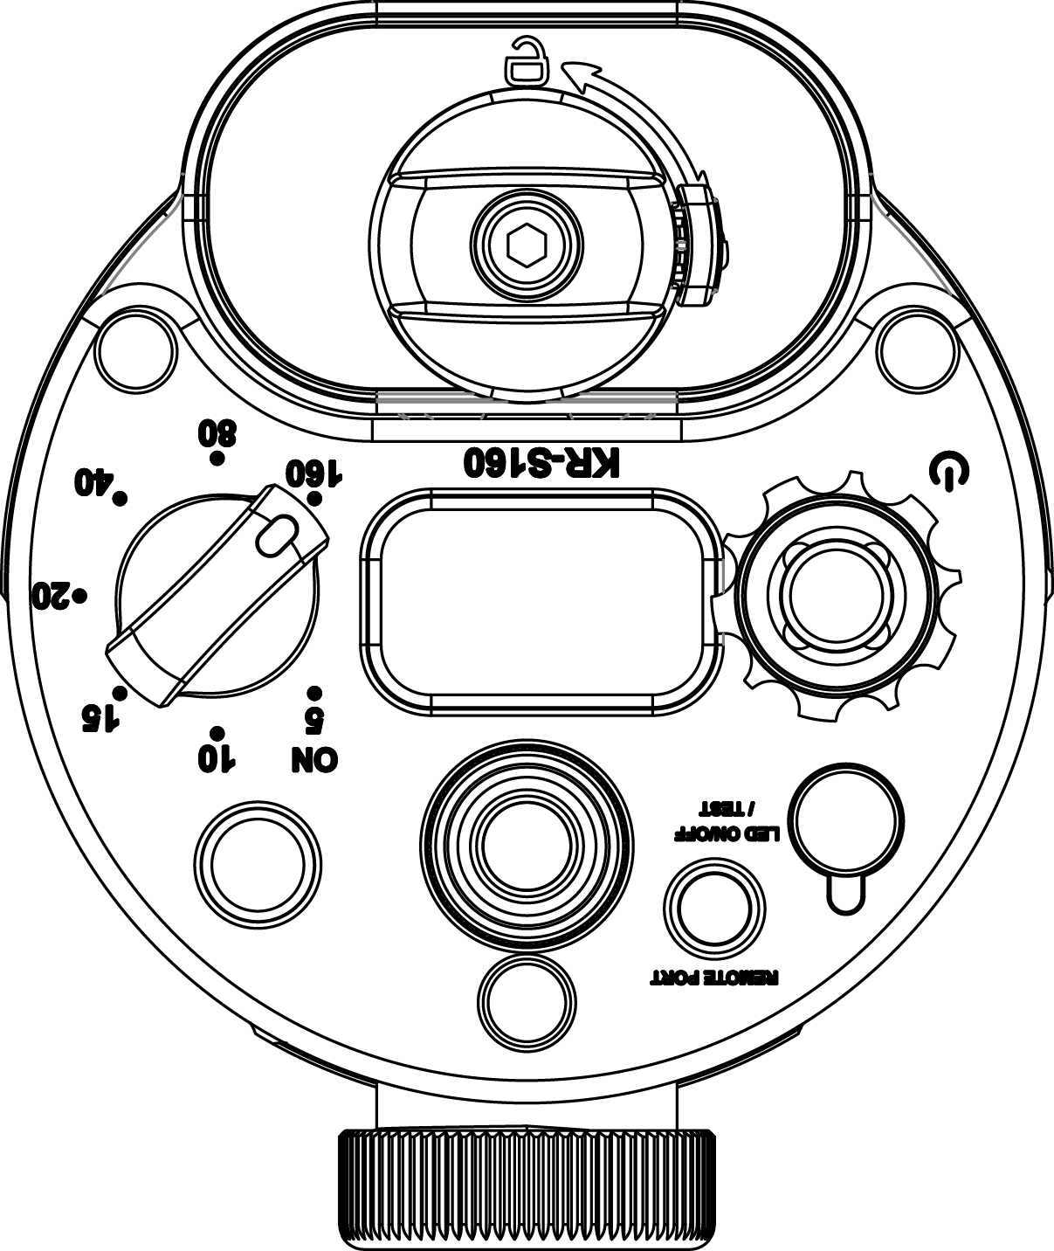
 |  |  | Color temperature | 5500K
 |  |  | Mode | M, Multi | 80Ws,40Ws,20Ws | (-9,-8,-7,-6,-5,-4,-3,-2,-1,0,+1,+2,+3,+4,+5,+6,+7,+8,+9) | (-4,-3,-2,-1,0,+1,+2,+3,+4) | (-2,-1,0,+1,+2) | (-1,0,+1)
Battery Knob
Safety Lock
 |  |  | Photoc | S1,S2
 |  |  | Guide Number | 16 (1 Meter & ISO100)
ON/OFF Button
 |  |  | Recycle time | Full power/1.6 second
Power adjustable knob
 |  |  | Flash full power (160Ws) | Approx. 400 | 15Ws,10Ws,5Ws
Setting Knob
 |  |  | Spot LED Light power | 500 lumens & 15 degrees
 |  |  | Spot LED power level | 100%,50%,0%
 |  |  | Depth Rating | 100m / 330ft | Photoc/Mode/Auto Sleep/Fine Tuning: 1.When strobe is turned on,quickly press ON/OFF button three time. 2.Press and immediately release ON/OFF button: Photoc-Mode-Auto Sleep/Fine Tuning 3.Quickly press ON/OFF button three time, saved setting and exit.

Indicator
TEST/
LED ON/OFF Button
LCD Display
Remote Port
 |  |  | ◆ To operate the strobe
 |  |  | Turning the strobe ON: Press and hold the ON/OFF button for TWO second. The LCD display will illuminate, and show " TURN POWER TO “5” TO TURN ON",then switch the power adjustable knob (Arrow mark) to ON /5Ws.
 |  |  |  |  | Photoc:S1,S2 Rorate the setting Knob: S1-S2-S1
Optical fiber connect port
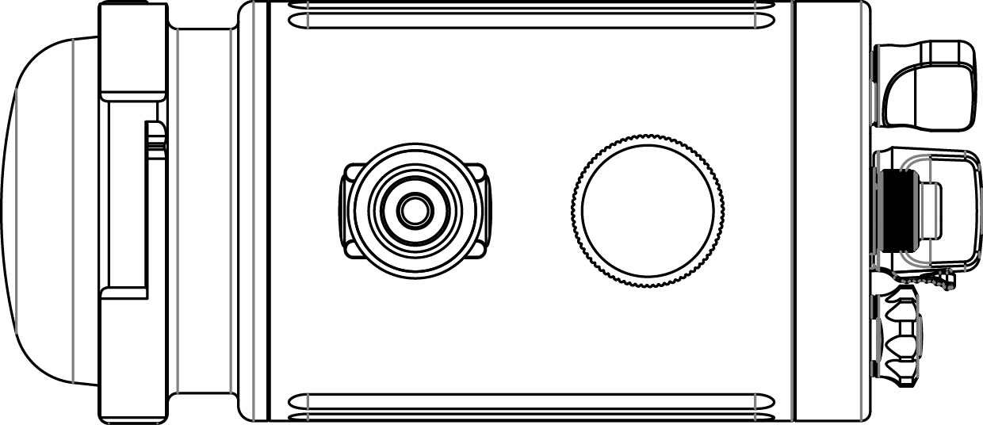
 |  |  |  |  | Mode: M(Manual),Multi Rorate the setting Knob: M-Multi-M
 |  |  | Changing orientation of the LCD display: When turning on the strobe, the Kraken Sports logo will initially display on the LCD. While the logo is displayed, pressing the ON/OFF button once again will trigger the option to change the display orientation. Rotate the setting knob to highlight the direction you would like to text to display. Press and hold the ON/OFF button to confirm your selection and turn the strobe on.
 |  |  |  |  | Auto Sleep: Rorate the setting Knob: 2min-5min-10min-20min-30min

 |  |  |  |  | Fine Tuning: Rorate the setting Knob: 19-9-5-3

Ball Mount
Cable port
 |  |  | Turning the strobe OFF: Press and hold the ON/OFF button for TWO second. |  | Mode: Multi
◆ Accessories included |  |  |  |  | 1.Press and immediately release the ON/OFF button: HZ-Flash times-HZ. 2.Rorate the setting Knob: Changed the Flash times. 3.Rorate the setting Knob: Changed the Flash frequency (HZ). 4.Setting HZ and Flash times,waiting 3 seconds finished.
Li-ion battery pack x 1 |  | Spare O-ring x 2 | Turning the Spot LED ON/OFF: Press and immediately release the LED button to reduce or increase the brightness(100%-50%-0%-100%).
PD Charger x 1 |  | Protection O-Ring cap x 1
USBType C cable x 1 |  | White Diffuser x 1pcs
YS Mount x 1 |  | Blue Diffuser x 1pcs | Turning the TEST function: Press and hold the ON/OFF button for ONE second,strobe will be flash one time as current adjustable power level. |  | 40Ws | 1,2,5 |  | 1,2,3
Ball Mount x 1 |  | Optical cable port cover x 1 |  |  | 20Ws | 1,2,5,10 |  | 1,2,3,4,5
 |  |  |  |  | 15Ws | 1,2,5,10 |  | 1,2,3,4,5,6,7,8,9,10
Indicator: |  |  | Power Level: 7 Levels: Rorate the power adjustable knob. Minor adjustment: Rorate the setting knob. |  | 10Ws | 1,2,5,10 |  | 1,2,3,4,5,6,7,8,9,10
Solid Green | Red | Blink Green |  |  | 5Ws | 1,2,5,10 |  | 1,2,3,4,5,6,7,8,9,10
Ready | Charging | Standby

