Chart2
 | 0
 | 0
 | 0

Chart1
 | 0
 | 0
 | 0

Chart3
 | 0
 | 0
 | 0
 | 0
 | 0
 | 0 |  | 0
 | 0 |  | 0
 | 0 |  | 0

Sheet1
◆ To charge the battery | ◆ Warnings
1. To charge the battery, use the USB-C PD charger included with your light. 2. Use the ports labelled USB-C1 or USB-C2 to charge the battery. Two batteries can be charged simultaneously. Note: Use of port USB-A while charging two batteries may cause charging to slow or stop. 3. When the battery begins to charge the indicator light on the battery will be RED. 4. When the battery is fully charged the indicator light on the battery will change to BLUE. | 1.Only use Li-ion battery pack provided by the manufacturer. 2.Do not open the tail cap when the video light is in the water. 3.If the video light will not be used for a long period of time, the battery should be removed. Failure to comply with these warnings may result in damage to the video light and will nullify the warranty.

 | ◆ Warranty
 | Kraken provides a warranty against manufacturer defects for 1 year starting from the date of purchase. Manufacturer defects occurring within 15 days of the date of purchase will result in an exchange of product at the vendor. All other manufacturer defects occurring within 1 year of the date of purchase will be repaired at no cost. Proof of purchase is required for warranty support. The warranty does not cover failures or defects resulting from misuse (e.g., modification, damage) natural disasters, or battery issues，including incorrect battery installation. |  | Hydra 18000 WRGBU
◆ Battery level The LCD display indicates the remaining battery power in minutes, according to the current mode and level of brightness being used.
 |  |  | Diving Video Light

◆ Low battery warning
When the battery level is low (approximately 10 minutes remaining) the video light will automatically decrease the brightness of the light to conserve power. When the battery is empty the light will power off.
 | ◆ Troubleshooting light issues Before returning the light to the vendor, please troubleshoot by doing the following:

◆ Thermal protection If the inner temperature of video light becomes too high, the video light will automatically decrease the brightness of the light and "HOT" will display on the LCD display. | Problem | Possible Solution
 | The video light does not turn on | * Ensure the battery is charged * Ensure the tail cap is tightly screwed to the light head

◆ General maintenance | Moisture or water inside video light | Check the O-rings in the tail cap to ensure there is no debris or damage that could prevent a proper seal
There are two O-rings in the tail cap. Use silicone to keep the O-rings well lubricated. It is important to lubricate the O-rings if the video light has not been used for a period of time or if the O-ring is hard. Only use enough lube to make the O-ring shine, too much can attract dirt. If the O-ring is damaged, broken, or deformed it should be replaced with the spare included with your video light.

NOTE: Do not use a sharp tool to remove the O-ring. |  |  | Please read the manually carefully before using the video light
◆ Overview | ◆ Specifications |  | Burst modes (White / Red / Green / Blue / UV / RGB mode / Automatic RGB) When the light is on, press and hold the ON/OFF button for one second to enter burst mode at the same colour. Press and hold the ON/OFF button once again to exit burst mode and return to continuous lighting. Note: If you wish to change the duration and amount of flashes in the burst, rapidly press the ON/OFF button three times to bring up the burst menu. Use the dimmer dial to make changes, and press ON/OFF button again three times to exit menu.
The Hydra 18000 WRGBU is a metal bodied diving video light with COB LED (15000 lumens constant / 18000 lumens burst) . | Battery | Li-ion battery pack (144Wh)
 | Brightness | White Light: 15000 lumens@CRI 90 constant / 18000 lumens burst
Tail Cap
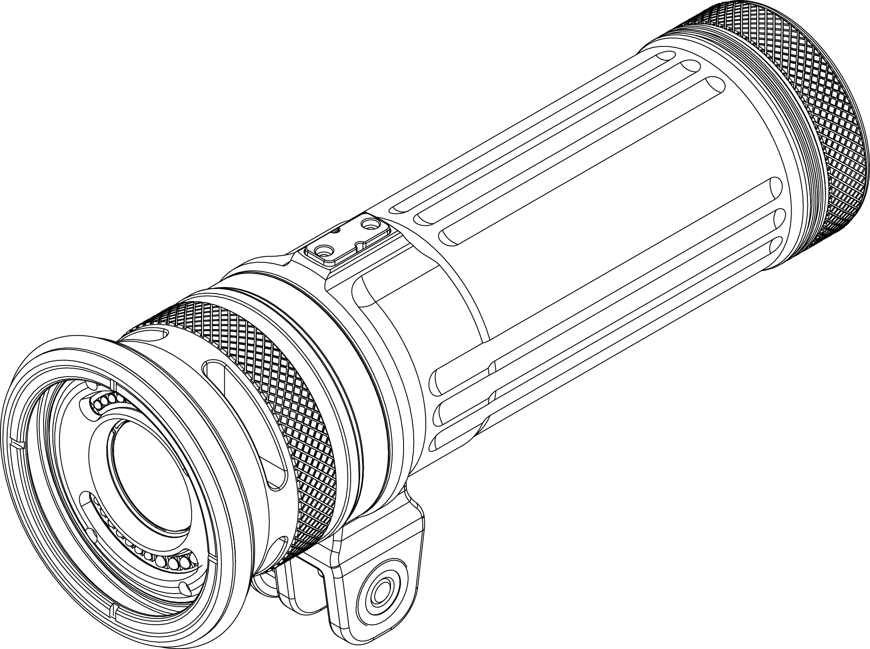
 | Function Modes | White / Red / Green / Blue / UV / RGB / Automatic RGB / Burst / SOS
Light Head
 | White Light Power Level | 13 levels (0%,5%,10%,20%,30%,40%,50%,60%,70%,80%,90%,100%,120%)
 |  |  | Adjusting the brightness in White / Red / Green / Blue / UV mode Rotate the dimmer dial clockwise/counterclockwise to adjust the brightness.
 | Red / Green / Blue / UV Light Power Level | 11 levels (0%,10%,20%,30%,40%,50%,60%,70%,80%,90%,100%)

YS Adapter
 | Beam Angle | White light: 120 degrees on land / 120 degrees underwater
 |  |  | Adjusting the color in RGB mode: While in RGB mode, rotate the dimmer dial to cycle through the different colours.
 | Burn time | 60 minutes (at 100% brightness)
 |  | 40 minutes (at 120% brightness) | Turbo Mode
 | Depth Rating | 100m / 330ft | When white light at 100% brightness,waiting for 0.5 second, then rotate the dimmer dial clockwise to adjust the brightness to 120%.
Dimmer Dial and ON/OFF Button
 | Size | 79 mm (D) * 252 mm (L)
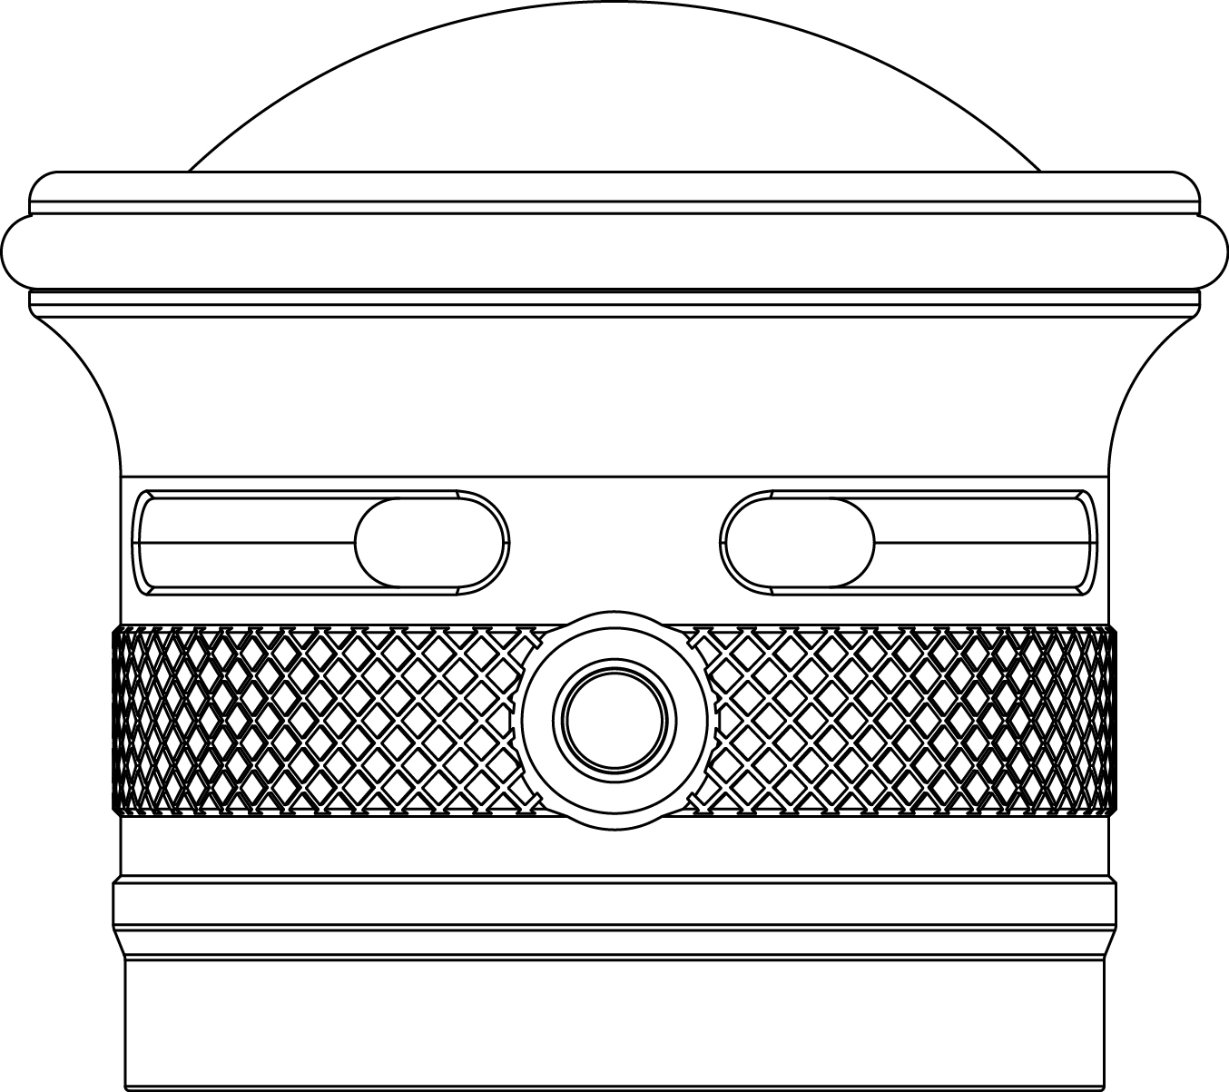
 | Weight | 1400g on land including the battery 620g underwater including the battery
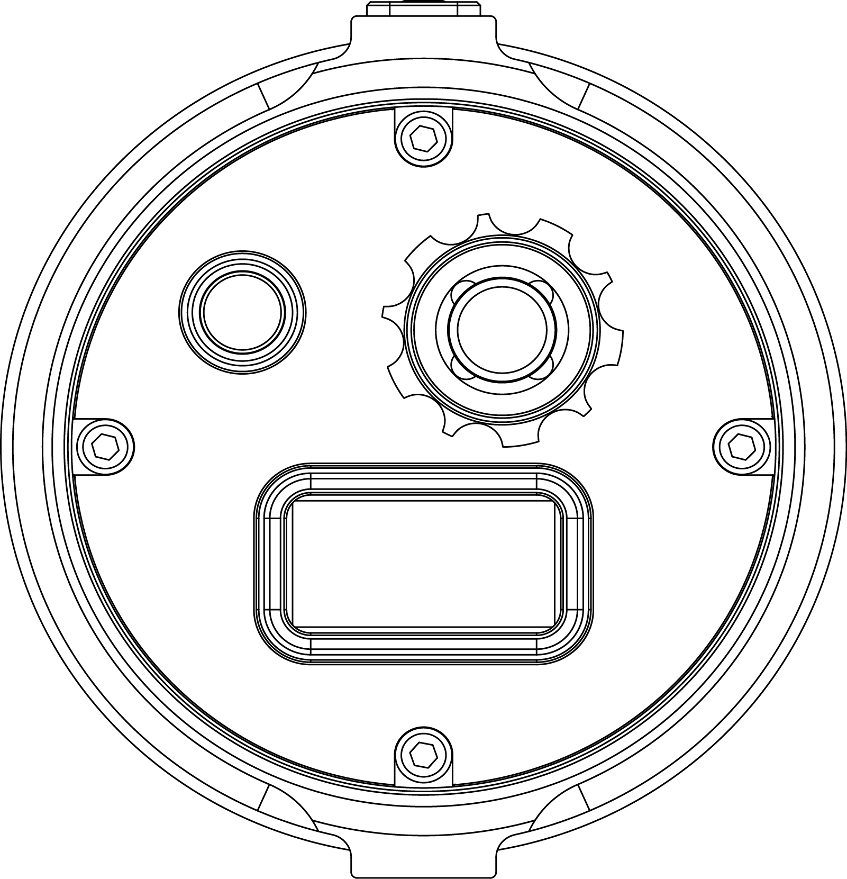
 |  |  | To turn on SOS/Strobe:
 | ◆ To operate the light |  | When the light is OFF: Press and hold the ON/OFF button for TWO seconds to enter SOS mode. While in SOS mode, press and immediately release ON/OFF button to switch to strobe mode. Rotate the dimmer dial to adjust the flicker frequency of strobe.
Remote Port
 | Turning the light ON: Press and hold the ON/OFF button for ONE second. The LCD display will illuminate, and the light will turn on at 120% brightness.

Burst Port
 | Changing orientation of the LCD display When turning on the light, the Kraken Sports logo will initially display on the LCD. While the logo is displayed, pressing the ON/OFF button once again will trigger the option to change the display orientation. Rotate the dimmer dial to highlight the direction you would like to text to display. Press and hold the ON/OFF button to confirm your selection and turn the light on.
 |  |  | To turn off SOS/Strobe:
 |  |  | Press and hold the ON/OFF button for two seconds.
LCD Panel
 |  |  | ◆ To install the battery
◆ Accessories included |  |  | 1. Turn the tail cap counter-clockwise to open.
Li-ion battery pack with protection cap | Turning the light OFF: Press and hold the ON/OFF button for two seconds. |  | 2. Put the battery pack in the tail cap.
Charger/AC adapter |  |  | Note：The contact rings at both ends of the battery are the same, allowing the battery to be inserted in either direction. 3.Turn the tail cap clockwise to reattach the tail to the head of the video light.
USB type C cable | To switch modes (White / Red / Green / Blue / UV /RGB mode/Automatic RGB)
YS mount
Ball Mount | While the light is on, press and immediately release the ON/OFF button. White light → Red→ Green → Blue → UV → RGB → Automatic RGB → White
Spare O-ring x2

